PRICING PAGE
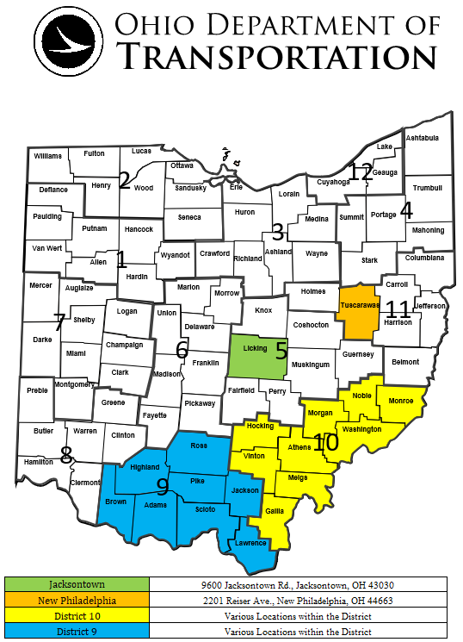
150-24 STEEL BEAMS 01/17/23
Vendor Name:

 |  |  |  |  | DELIVERY LOCATION(S) PER DISTRICT
 | Statewide |  |  |  | District 5 | District 9 | District 10 | District 11
 |  |  |  |  | 9600 Jacksontown Road, Jacksontown, Ohio 43030 | Various Locations within the District | Various Locations within the District | 2201 Reiser Ave., New Philadelphia, OH 44663
Item # | Estimated Annual Quantity | Unit | Description | Number of Pieces Per Bundle | One (1) Piece Per Unit Price | One (1) Piece Per Unit Price | One (1) Piece Per Unit Price | One (1) Piece Per Unit Price
 |  |  |  |  | ODOT to unload material
1 | 25 | Each | Beams, Wide Flange Steel W10x30x20’
2 | 1050 | Each | Beams, Wide Flange Steel W16x31x25’
3 | 75 | Each | Beams, Wide Flange Steel W16x31x20’
4 | 25 | Each | Beams, Wide Flange Steel HP12x53x25’
5 | 25 | Each | Beams, Wide Flange Steel HP12x53x20’

Pieces per bundle will not be factored into the evaluation. Note: Maximum bundle weight shall not exceed 3,600 pounds, unless ordering agency has requested larger bundle orders and has the capabilities of unloading larger bundles at the time the purchase order is placed. For bidding and pricing purposes maximum bundle weight shall not exceed 3,600 pounds.

 |  |  |  |  |  |  |  |  |  | Delivery Location (Yes or No) | If No, provide alternate location or list "District" if multiple locations thorugh out.
 |  |  |  |  |  |  |  |  | 9600 Jacksontown Rd. Jacksontown, OH 43030 | Yes
 |  |  |  |  |  |  |  |  | 650 Eastern Ave. Chillicothe, OH 45601 |  | District
 |  |  |  |  |  |  |  |  | 338 Muskingum Dr. Marietta, OH 45750 |  | District
 |  |  |  |  |  |  |  |  | 2201 Reiser Ave. New Philadelphia, OH 44663 |  | Tuscarawas County Storage Yard 384 Stone Creek Rd. New Philadelphia, OH 44663

 |  |  |  |  |  |  |  |  |  | District to Offload(Yes or No)
 |  |  |  |  |  |  |  |  | District 5 | YES
 |  |  |  |  |  |  |  |  | District 9 | YES
 |  |  |  |  |  |  |  |  | District 10 | No
 |  |  |  |  |  |  |  |  | District 11 | YES

