Hoist System Electrical Ref
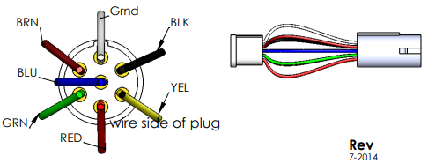
Hook-Lift MOT Truck Body Builder Plug

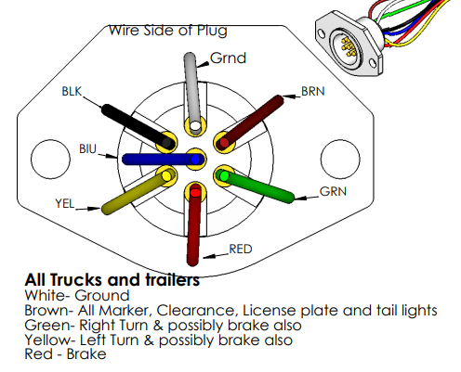
 | Hook-Lift MOT bed plug wiring

Approved Arrowboard Ref
