SPECIFICATIONS
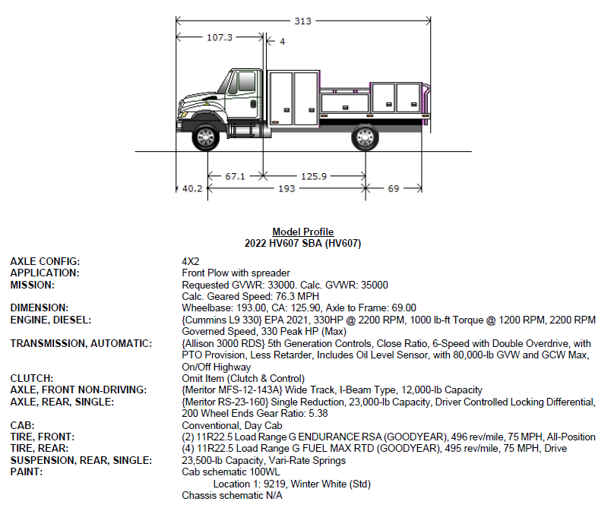
Service Body for Heavy Duty Mechanics Truck (only body)
ITEM NO. | MINIMUM EQUIPMENT SPECIFICATIONS |  |  | ODOT Supplied Truck Specification
A. Service Body: |  | Comply | Don’t Comply
1A. | The service body will be installed by the bidder on truck specification provided above. ODOT will be supplying the cab and chassis. Pricing for installation is to be included in final bid price. | X
2A. | Minimum 60” Tall Compartments | X
3A. | Mounting angles for welding | X
4A. | Minimum 2000-Watt Inverter wired to the chassis batteries. Mounted on the front of the body. | X
5A. | Electrical GFI outlet, minimum of 120 volt, Installed & wired to power source | X
6A. | Minimum 150PSI Air Compressor mounted to service body with an accessible hose reel. | X
7A. | Two hydraulic up and down rear outriggers with sufficient rating for service body crane operations. Provide with removable outrigger pads. | X
8A. | Manufacturer storing system with compartment locking | X
9A. | Minimum of five street side compartments must provide but not limited to interior 12-Volt LED lights, French style aluminum doors & rubber sealed. | X
10A. | On curb side, cutting torch compartment. Oxy/Act dual hose reel with spring rewind with pigtails to tank area or compartment outlet & plug. Two Oxy/Act bottle storage kit. | X
11A. | Minimum of curb side compartments must provide but not limited to interior 12-Volt LED lights, French style aluminum doors & rubber sealed. | X
12A. | Provide manufacturer standard electrical components. | X
13A. | Exterior 12-Volt Led flood light. 12-Volt Plug-in, receptacle for remote or portable flood light. | X
14A. | Minimum 48” LED light bar mounted on front of body. | X
15A. | Service body should be painted urethane “white” color. | X
16A. | Center Deck latch tailgate | X
17A. | Flush mount "D" ring tie-downs in bed floor. | X
18A. | Minimum 26” steel workbench bumper with curb side step. Including 2 side storage compartments, grab handles and lights for safety. | x
19A. | Vise/Grinder mounting plate on bumper | x
20A. | Class IV hitch receiver - 2" receiver. | x
21A. | Trailer Plug: Trailer must be attached with trailer plug and wiring according to Attachment A below. | x
22A. | Standard mud flaps | x
B. Crane
1B. | Crane must be able to lift up to 10,000lbs. max capacity (60,000 ft*Lbs.s..) with hydraulic extend hex-boom 13'-30'. Service body must be rated to handle the cranes operating capacity. |  | x
2B. | Crane mounted on curb side | x
3B. | Crane must be supplied with hydraulic power package for normal operations | x
4B. | Planetary Winch – minimum 8,500lb pull | x
5B. | Wireless remote crane operation | x
6B. | Exterior 12-Volt LED flood light on crane boom. | x
C. Training:
1C. | Successful bidder will coordinate with ODOT to schedule the delivery date. At the time of delivery, the awarded bidder shall provide instruction and written training material to ODOT, at a location determined by ODOT. Training must cover general overview of the safety and maintenance of the equipment. | x
2C. | Training will include hands-on operation, demonstrations and maintenance of the crane’s master controls, hydraulics, capacity and general operation. | x
D. Warranty:
1D. | Standard manufacturer’s warranty on all parts, attachments, and service will be included. | x
2D. | Annual crane inspection (initial inspection) | x
3D. | The successful vendor will send a complete set of manuals for any additional items/equipment added to a piece of equipment. Parts and Service manuals must be provided via PDF. | x

